Hoja1
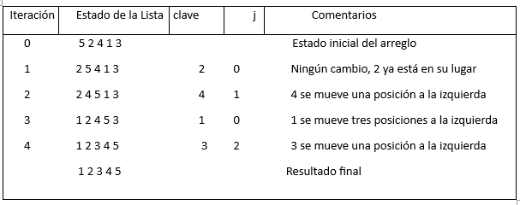
Prueba de escritorio 1
Iteración | Lista Original | Valor Actual | Índice | Lista Actualizada
0 | [5, 7, 1, 3, 8, 4, 9, 2, 6]
1 | [5, 7, 1, 3, 8, 4, 9, 2, 6] | 7 | 1 | [5, 7, 1, 3, 8, 4, 9, 2, 6]
2 | [1, 5, 7, 3, 8, 4, 9, 2, 6] | 1 | 2 | [1, 5, 7, 3, 8, 4, 9, 2, 6]
3 | [1, 3, 5, 7, 8, 4, 9, 2, 6] | 3 | 3 | [1, 3, 5, 7, 8, 4, 9, 2, 6]
4 | [1, 3, 5, 7, 8, 4, 9, 2, 6] | 8 | 4 | [1, 3, 5, 7, 8, 4, 9, 2, 6]
5 | [1, 3, 4, 5, 7, 8, 9, 2, 6] | 4 | 5 | [1, 3, 4, 5, 7, 8, 9, 2, 6]
6 | [1, 3, 4, 5, 7, 8, 9, 2, 6] | 9 | 6 | [1, 3, 4, 5, 7, 8, 9, 2, 6]
7 | [1, 2, 3, 4, 5, 7, 8, 9, 6] | 2 | 7 | [1, 2, 3, 4, 5, 7, 8, 9, 6]
8 | [1, 2, 3, 4, 5, 6, 7, 8, 9] | 6 | 8 | [1, 2, 3, 4, 5, 6, 7, 8, 9]

Prueba de escritorio 2 |  |  |  |  | A

